Supplementary Table 7
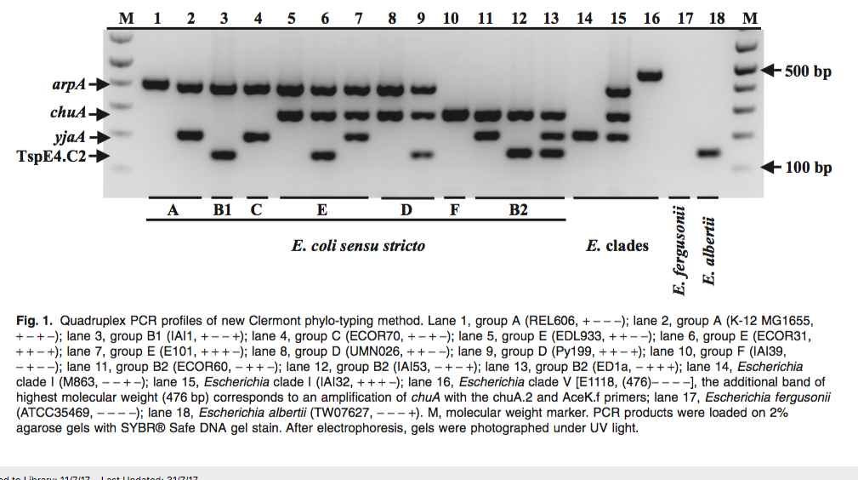
 | Quadruplex_PCR |  |  |  | A/C Duplex_PCR |  | D/E Duplex_PCR |  |  | Quadruplex_IS |  |  |  | A/C trpAgpC |  | D/E ArpAgpE
SampleID | arpA (400bp) | chuA | yjaA | TspE4.C2 | trpAgp (219) | trpBA (645) | arpA (301) | trpA (489) | Clermont group | arpA | chuA | yjaA | TspE4.C2 | trpAgp | trpBA | arpA | gpE | In silico Clermont | WGS Clermont
CU928158 | N/A |  |  |  | N/A |  | N/A |  | N/A | 0 | 0 | 0 | 0 |  |  |  |  | U/Cryptic | N/A
MS10628 | 1 | 1 | 1 | 0 |  |  | 1 | 1 | E | 1 | 1 | 1 | 0 |  |  | 1 | 1 | E | Clade I
CP000970 | N/A |  |  |  | N/A |  | N/A |  | N/A | 0 | 1 | 0 | 0 |  |  |  |  | F | F
CU928164 | N/A |  |  |  | N/A |  | N/A |  | N/A | 0 | 1 | 0 | 0 |  |  |  |  | F | F
CP003034 | N/A |  |  |  | N/A |  | N/A |  | N/A | 0 | 1 | 0 | 0 |  |  |  |  | F | F
MS10647 | 0 | 1 | 0 | 0 |  |  |  |  | F | 0 | 1 | 0 | 0 |  |  |  |  | F | B2
MS10646 | 0 | 1 | 0 | 0 |  |  |  |  | F | 0 | 1 | 0 | 0 |  |  |  |  | F | B2
FM180568 | N/A |  |  |  | N/A |  | N/A |  | N/A | 0 | 1 | 1 | 1 |  |  |  |  | B2 | B2
AP009378 | N/A |  |  |  | N/A |  | N/A |  | N/A | 0 | 1 | 1 | 1 |  |  |  |  | B2 | B2
CP006784 | N/A |  |  |  | N/A |  | N/A |  | N/A | 0 | 1 | 1 | 1 |  |  |  |  | B2 | B2
HG941718 | N/A |  |  |  | N/A |  | N/A |  | N/A | 0 | 1 | 1 | 1 |  |  |  |  | B2 | B2
CU928162 | N/A |  |  |  | N/A |  | N/A |  | N/A | 0 | 1 | 1 | 1 |  |  |  |  | B2 | B2
CP001671 | N/A |  |  |  | N/A |  | N/A |  | N/A | 0 | 1 | 1 | 1 |  |  |  |  | B2 | B2
AE014075 | N/A |  |  |  | N/A |  | N/A |  | N/A | 0 | 1 | 1 | 1 |  |  |  |  | B2 | B2
CP002211 | N/A |  |  |  | N/A |  | N/A |  | N/A | 0 | 1 | 1 | 1 |  |  |  |  | B2 | B2
CP002212 | N/A |  |  |  | N/A |  | N/A |  | N/A | 0 | 1 | 1 | 1 |  |  |  |  | B2 | B2
NC_011993 | N/A |  |  |  | N/A |  | N/A |  | N/A | 0 | 1 | 1 | 1 |  |  |  |  | B2 | B2
CP001855 | N/A |  |  |  | N/A |  | N/A |  | N/A | 0 | 1 | 1 | 1 |  |  |  |  | B2 | B2
CP000247 | N/A |  |  |  | N/A |  | N/A |  | N/A | 0 | 1 | 1 | 1 |  |  |  |  | B2 | B2
CU928161 | N/A |  |  |  | N/A |  | N/A |  | N/A | 0 | 1 | 1 | 1 |  |  |  |  | B2 | B2
CP000468 | N/A |  |  |  | N/A |  | N/A |  | N/A | 0 | 1 | 1 | 1 |  |  |  |  | B2 | B2
CP001969 | N/A |  |  |  | N/A |  | N/A |  | N/A | 0 | 1 | 1 | 1 |  |  |  |  | B2 | B2
HG428755 | N/A |  |  |  | N/A |  | N/A |  | N/A | 0 | 1 | 1 | 1 |  |  |  |  | B2 | B2
CP000243 | N/A |  |  |  | N/A |  | N/A |  | N/A | 0 | 1 | 1 | 1 |  |  |  |  | B2 | B2
CP002167 | N/A |  |  |  | N/A |  | N/A |  | N/A | 0 | 1 | 1 | 1 |  |  |  |  | B2 | B2
FN554766 | N/A |  |  |  | N/A |  | N/A |  | N/A | 1 | 1 | 0 | 0 |  |  | 1 | 0 | D | D
CU928163 | N/A |  |  |  | N/A |  | N/A |  | N/A | 1 | 1 | 0 | 0 |  |  | 1 | 0 | D | D
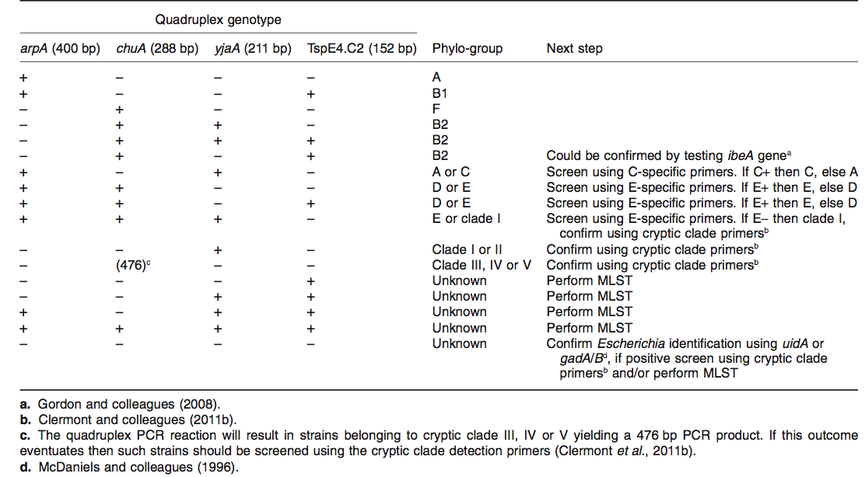
NS6429 | 1 | 1 | 0 | 1 |  |  | 1 | 1 | E | 1 | 1 | 0 | 1 |  |  | 1 | 0 | D | D
NS6427 | 1 | 1 | 0 | 1 |  |  | 1 | 1 | E | 1 | 1 | 0 | 1 |  |  | 1 | 0 | D | D
NS6439 | 1 | 1 | 0 | 1 |  |  | 1 | 1 | E | 1 | 1 | 0 | 1 |  |  | 1 | 0 | D | D
MS10626 | 0 | 1 | 0 | 1 |  |  |  |  | B2 | 1 | 1 | 0 | 1 |  |  | 1 | 0 | D | D
MS10623 | 1 | 1 | 0 | 1 |  |  |  |  | D/E | 1 | 1 | 0 | 1 |  |  | 1 | 0 | D | D
MS10618 | 1 | 1 | 0 | 1 |  |  | 1 | 1 | E | 1 | 1 | 0 | 1 |  |  | 1 | 0 | D | D
MS10636 | 1 | 1 | 0 | 0 |  |  | 1 | 1 | E | 1 | 1 | 0 | 1 |  |  | 1 | 0 | D | D
MS10627 | 1 | 1 | 0 | 1 |  |  | 1 | 1 | E | 1 | 1 | 0 | 1 |  |  | 1 | 0 | D | D
MS10640 | 1 | 1 | 0 | 1 |  |  | 1 | 1 | E | 1 | 1 | 0 | 1 |  |  | 1 | 0 | D | D
MS10621 | 1 | 1 | 0 | 1 |  |  | 1 | 1 | E | 1 | 1 | 0 | 1 |  |  | 1 | 0 | D | D
MS10619 | 1 | 1 | 0 | 0 |  |  |  |  | D/E | 1 | 1 | 0 | 1 |  |  | 1 | 0 | D | D
MS10638 | 1 | 1 | 0 | 1 |  |  | 1 | 1 | E | 1 | 1 | 0 | 1 |  |  | 1 | 0 | D | D
MS10620 | 0 | 1 | 0 | 1 |  |  |  |  | B2 | 1 | 1 | 0 | 1 |  |  | 1 | 0 | D | D
CP006262 | N/A |  |  |  | N/A |  | N/A |  | N/A | 1 | 1 | 0 | 0 |  |  | 1 | 0 | D | E
CP007133 | N/A |  |  |  | N/A |  | N/A |  | N/A | 1 | 1 | 0 | 0 |  |  | 1 | 0 | D | E
CP006027 | N/A |  |  |  | N/A |  | N/A |  | N/A | 1 | 1 | 0 | 0 |  |  | 1 | 0 | D | E
CP007136 | N/A |  |  |  | N/A |  | N/A |  | N/A | 1 | 1 | 0 | 0 |  |  | 1 | 0 | D | E
MS10645 | 1 | 1 | 0 | 1 |  |  | 1 | 1 | E | 1 | 1 | 0 | 1 |  |  | 1 | 1 | E | E
CP001846 | N/A |  |  |  | N/A |  | N/A |  | N/A | 1 | 1 | 0 | 0 |  |  | 1 | 1 | E | E
CP003109 | N/A |  |  |  | N/A |  | N/A |  | N/A | 1 | 1 | 0 | 0 |  |  | 1 | 1 | E | E
CP001925 | N/A |  |  |  | N/A |  | N/A |  | N/A | 1 | 1 | 0 | 0 |  |  | 1 | 1 | E | E
AE005174 | N/A |  |  |  | N/A |  | N/A |  | N/A | 1 | 1 | 0 | 0 |  |  | 1 | 1 | E | E
BA000007 | N/A |  |  |  | N/A |  | N/A |  | N/A | 1 | 1 | 0 | 0 |  |  | 1 | 1 | E | E
CP008805 | N/A |  |  |  | N/A |  | N/A |  | N/A | 1 | 1 | 0 | 0 |  |  | 1 | 1 | E | E
CP001368 | N/A |  |  |  | N/A |  | N/A |  | N/A | 1 | 1 | 0 | 0 |  |  | 1 | 1 | E | E
CP001164 | N/A |  |  |  | N/A |  | N/A |  | N/A | 1 | 1 | 0 | 0 |  |  | 1 | 1 | E | E
MS10615 | 1 | 1 | 0 | 1 |  |  | 1 | 1 | E | 1 | 0 | 1 | 0 | 1 | 0 |  |  | C | E
CP004009 | N/A |  |  |  | N/A |  | N/A |  | N/A | 1 | 0 | 1 | 0 | 1 | 0 |  |  | C | E
MS10649 | 1 | 0 | 1 | 0 |  |  |  |  | A/C | 1 | 0 | 1 | 0 | 1 | 0 |  |  | C | B1
MS10625 | 1 | 0 | 1 | 0 |  |  |  |  | A/C | 1 | 0 | 1 | 0 | 1 | 0 |  |  | C | B1
MS10617 | 1 | 0 | 1 | 0 |  |  |  |  | A/C | 1 | 0 | 1 | 0 | 1 | 0 |  |  | C | B1
NS6428 | 1 | 0 | 1 | 0 |  |  |  |  | A/C | 1 | 0 | 1 | 0 | 1 | 0 |  |  | C | B1
MS10614 | 1 | 0 | 1 | 0 |  |  |  |  | A/C | 1 | 0 | 1 | 0 | 1 | 0 |  |  | C | B1
MS10629 | 1 | 0 | 1 | 0 | 1 | 0 |  |  | C | 1 | 0 | 1 | 0 | 1 | 0 |  |  | C | B1
MS10630 | 1 | 0 | 1 | 0 | 1 | 0 |  |  | C | 1 | 0 | 1 | 0 | 1 | 0 |  |  | C | B1
CP002185 | N/A |  |  |  | N/A |  | N/A |  | N/A | 1 | 0 | 0 | 1 |  |  |  |  | B1 | B1
CP002516 | N/A |  |  |  | N/A |  | N/A |  | N/A | 1 | 0 | 0 | 1 |  |  |  |  | B1 | B1
CP006584 | N/A |  |  |  | N/A |  | N/A |  | N/A | 1 | 0 | 0 | 1 |  |  |  |  | B1 | B1
AP009240 | N/A |  |  |  | N/A |  | N/A |  | N/A | 1 | 0 | 0 | 1 |  |  |  |  | B1 | B1
CU928160 | N/A |  |  |  | N/A |  | N/A |  | N/A | 1 | 0 | 0 | 1 |  |  |  |  | B1 | B1
MS10644 | 1 | 0 | 0 | 1 |  |  |  |  | B1 | 1 | 0 | 0 | 1 |  |  |  |  | B1 | B1
CU928145 | N/A |  |  |  | N/A |  | N/A |  | N/A | 1 | 0 | 0 | 1 |  |  |  |  | B1 | B1
CP003301 | N/A |  |  |  | N/A |  | N/A |  | N/A | 1 | 0 | 0 | 1 |  |  |  |  | B1 | B1
CP003297 | N/A |  |  |  | N/A |  | N/A |  | N/A | 1 | 0 | 0 | 1 |  |  |  |  | B1 | B1
CP003289 | N/A |  |  |  | N/A |  | N/A |  | N/A | 1 | 0 | 0 | 1 |  |  |  |  | B1 | B1
AP010958 | N/A |  |  |  | N/A |  | N/A |  | N/A | 1 | 0 | 0 | 1 |  |  |  |  | B1 | B1
MS10648 | 1 | 0 | 0 | 1 |  |  |  |  | B1 | 1 | 0 | 0 | 1 |  |  |  |  | B1 | B1
MS10624 | 1 | 0 | 0 | 1 |  |  |  |  | B1 | 1 | 0 | 0 | 1 |  |  |  |  | B1 | B1
CP000800 | N/A |  |  |  | N/A |  | N/A |  | N/A | 1 | 0 | 0 | 1 |  |  |  |  | B1 | B1
CP005998 | N/A |  |  |  | N/A |  | N/A |  | N/A | 1 | 0 | 0 | 1 |  |  |  |  | B1 | B1
AP010953 | N/A |  |  |  | N/A |  | N/A |  | N/A | 1 | 0 | 0 | 1 |  |  |  |  | B1 | B1
AP010960 | N/A |  |  |  | N/A |  | N/A |  | N/A | 1 | 0 | 0 | 1 |  |  |  |  | B1 | B1
AM946981 | N/A |  |  |  | N/A |  | N/A |  | N/A | 1 | 0 | 0 | 0 | 0 | 1 |  |  | A | A
CP000819 | N/A |  |  |  | N/A |  | N/A |  | N/A | 1 | 0 | 0 | 0 |  |  |  |  | A | A
CP000802 | N/A |  |  |  | N/A |  | N/A |  | N/A | 1 | 0 | 0 | 0 |  |  |  |  | A | A
CP000946 | N/A |  |  |  | N/A |  | N/A |  | N/A | 1 | 0 | 0 | 0 |  |  |  |  | A | A
CP002729 | N/A |  |  |  | N/A |  | N/A |  | N/A | 1 | 0 | 0 | 0 |  |  |  |  | A | A
MS10650 | 1 | 0 | 0 | 0 |  |  |  |  | A | 1 | 0 | 0 | 0 |  |  |  |  | A | A
MS10631 | 1 | 0 | 0 | 0 |  |  |  |  | A | 1 | 0 | 0 | 0 |  |  |  |  | A | A
MS10651 | 1 | 0 | 0 | 0 |  |  |  |  | A | 1 | 0 | 0 | 0 |  |  |  |  | A | A
MS10622 | 1 | 0 | 1 | 0 |  |  |  |  | A | 1 | 0 | 1 | 0 | 0 | 1 |  |  | A | A
MS10633 | 1 | 0 | 0 | 0 |  |  |  |  | A | 1 | 0 | 1 | 0 | 0 | 1 |  |  | A | A
MS10653 | 1 | 0 | 1 | 0 |  |  |  |  | A | 1 | 0 | 1 | 0 | 0 | 1 |  |  | A | A
MS10643 | 1 | 0 | 1 | 0 |  |  |  |  | A/C | 1 | 0 | 1 | 0 | 0 | 1 |  |  | A | A
MS10639 | 1 | 1 | 0 | 1 |  |  | 1 | 1 | E | 1 | 0 | 1 | 0 | 0 | 1 |  |  | A | A
MS10642 | 1 | 1 | 0 | 1 |  |  | 1 | 1 | E | 1 | 0 | 1 | 0 | 0 | 1 |  |  | A | A
MS10634 | 1 | 0 | 0 | 0 |  |  |  |  | A | 1 | 0 | 1 | 0 | 0 | 1 |  |  | A | A
MS10635 | 1 | 1 | 0 | 1 |  |  | 1 | 1 | E | 1 | 0 | 1 | 0 | 0 | 1 |  |  | A | A
MS10632 | 1 | 1 | 0 | 1 |  |  | 1 | 1 | E | 1 | 0 | 1 | 0 | 0 | 1 |  |  | A | A
MS10637 | 1 | 0 | 0 | 0 |  |  |  |  | A | 1 | 0 | 1 | 0 | 0 | 1 |  |  | A | A
MS10641 | 1 | 1 | 0 | 1 |  |  | 1 | 1 | E | 1 | 0 | 1 | 0 | 0 | 1 |  |  | A | A
MS10652 | 1 | 0 | 1 | 0 |  |  |  |  | A | 1 | 0 | 1 | 0 | 0 | 1 |  |  | A | A
MS10616 | 1 | 0 | 1 | 0 | 1 | 0 |  |  | C | 1 | 0 | 1 | 0 | 0 | 1 |  |  | A | A
AP012306 | N/A |  |  |  | N/A |  | N/A |  | N/A | 1 | 0 | 1 | 0 | 0 | 1 |  |  | A | A
U00096 | N/A |  |  |  | N/A |  | N/A |  | N/A | 1 | 0 | 1 | 0 | 0 | 1 |  |  | A | A
AP009048 | N/A |  |  |  | N/A |  | N/A |  | N/A | 1 | 0 | 1 | 0 | 0 | 1 |  |  | A | A
CP008801 | N/A |  |  |  | N/A |  | N/A |  | N/A | 1 | 0 | 1 | 0 | 0 | 1 |  |  | A | A
CP001396 | N/A |  |  |  | N/A |  | N/A |  | N/A | 1 | 0 | 1 | 0 | 0 | 1 |  |  | A | A
HG738867 | N/A |  |  |  | N/A |  | N/A |  | N/A | 1 | 0 | 1 | 0 | 0 | 1 |  |  | A | A
CP000948 | N/A |  |  |  | N/A |  | N/A |  | N/A | 1 | 0 | 1 | 0 | 0 | 1 |  |  | A | A
CP001637 | N/A |  |  |  | N/A |  | N/A |  | N/A | 1 | 0 | 1 | 0 | 0 | 1 |  |  | A | A
FN649414 | N/A |  |  |  | N/A |  | N/A |  | N/A | 1 | 0 | 1 | 0 | 0 | 1 |  |  | A | A
CP002291 | N/A |  |  |  | N/A |  | N/A |  | N/A | 1 | 0 | 1 | 0 | 0 | 1 |  |  | A | A

